Solutions
1) | What is the expected forecast for Dec closure? Feel free to use time series or any predictive technique to determine the same. You may take the help of R as well. In case legacy data is needed, please feel free to make assumptions | Date | Overall Conv
 |  | 2021-12-22 | 2.16%
 |  | 2021-12-23 | 1.93%
 |  | 2021-12-24 | 1.93%
 |  | 2021-12-25 | 2.24%
 |  | 2021-12-26 | 2.21%
 |  | 2021-12-27 | 2.14%
 |  | 2021-12-28 | 1.91%
 |  | 2021-12-29 | 2.14%
 |  | 2021-12-30 | 1.90%
 |  | 2021-12-31 | 1.91%
 |  |  |  | 1) If our conversion rate is dropping and we cannot find anything wrong with our app/site or with your actions, we may need to check what our competitors are up to.
 |  |  |  | Maybe they are running a special discount or a promotion that drives conversions away from us. Monitoring their actions and responding accordingly might help us address some of the conversion loss.
 |  |  |  | 2) Seasonality usually causes a very rapid change in conversion rates and it may be accompanied of lower traffic or not.
2) | An org leader feels that your conversion rates are dropping, what could be your response to the same? |  |  | If our traffic has not changed, we need to compare with last year’s data and see if we are following trend. We tend to think of seasonal changes as holiday times but professional services like website design tends to drop during those times.We always need to keep a track of increase/decrease in seasonal trends
 |  |  |  | 3) Emailing is one of the highest converting traffic sources for most businesses. If we have reduced the frequency of email or have changed the kind of email we are sending, this may impact our overall conversion rates.
 |  |  |  | 4) Optimization for mobile devices is also a reason. It’s possible that our mobile customers require a different conversion experience than the one we crafted for your desktop users. We need to access Google Analytics and compare traffic for devices under Mobile Audience overview year over year.
3) | Do you see any discrepency in the data? How would you clean up the same? |  |  | No, I didn't see any discrepency in the data. There are a few steps we can take to fix discrepancies in data: 1) Identify the source of the discrepancy: Before we can fix the discrepancy, we need to figure out where it's coming from. This might involve looking at the data itself, as well as any processes or systems that are used to collect and record the data. 2) Verify the accuracy of the data: Once we've identified the source of the discrepancy, we need to verify that the data is actually incorrect. This might involve comparing the data to other sources, or checking it against known facts. 3) Correct the data: Once we're sure that the data is incorrect, we can correct it by entering the correct information in the appropriate field. This might involve updating a database, or making changes to a spreadsheet or other data recording system. 4) Update any systems that use the data: If we've made changes to the data, it's important to also update any systems or processes that use that data. This will ensure that the correct information is used going forward. 5) Monitor the data for future discrepancies: To prevent future discrepancies, it's important to monitor the data on an ongoing basis. This might involve regularly checking for errors, or implementing systems or processes that are designed to catch errors before they become a problem.
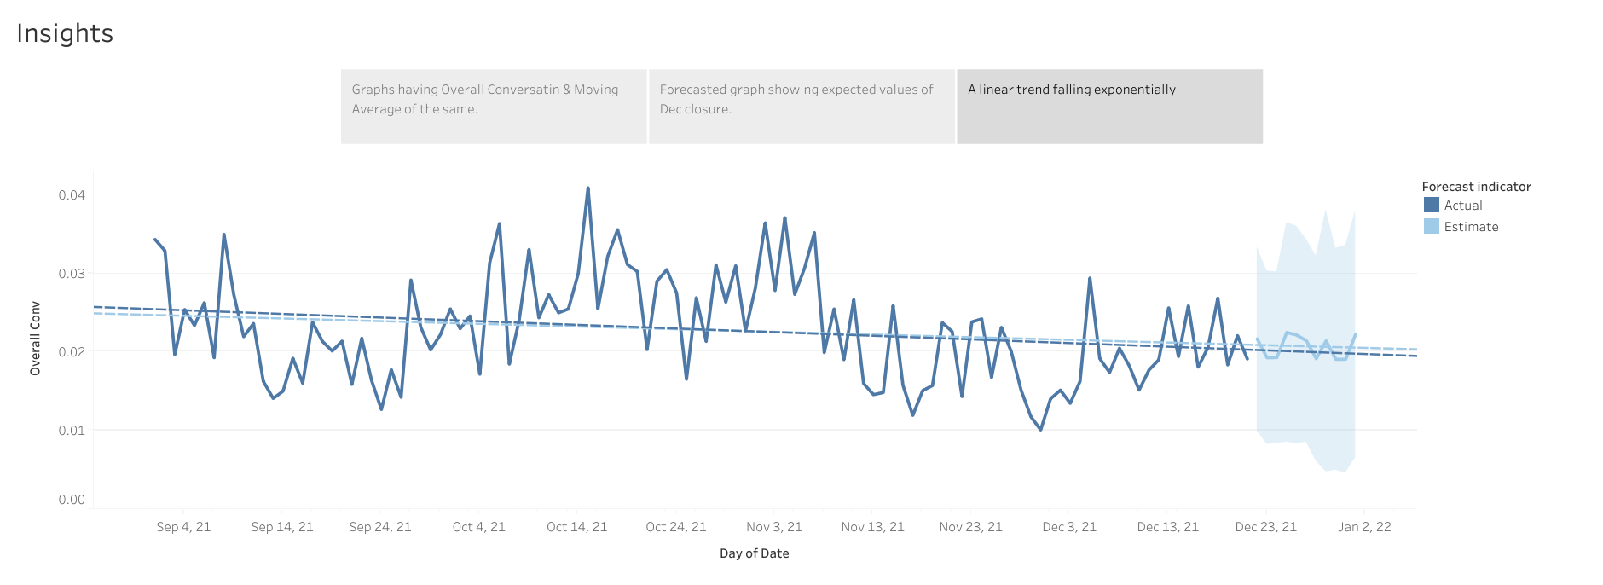

4) | What insights can you draw from here?

We can see the trend line falling exponentially.
Low conversion rate were expected as we had enough proof of trend line and forecasted values
By monitoring the above conversion rate factors and adopting the required methodologies, we can avoid
the low conversion rate.

